Dala Sales & Deliveries
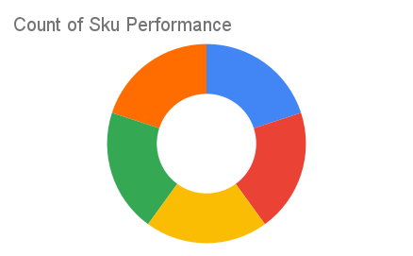
Total Invoices Delivered | 3.00 | Sku Performance | Units | Value
Unique Locations Supplied | 3.00 | 350ml Orisirisi Wallnut with Ginger Drink (12x) | 0.00 | 0.00
Total Value of orders | 46,800.00 | 500ml Orisirisi Tiger Nut Drink (12x) | 0.00 | 0.00
 |  | 500ml Orisirisi Zobo with Date Drink (12x) | 0.50 | 12,000.00
 |  | 350ml Orisirisi Wallnut Drink (12x) | 0.50 | 10,800.00
 |  | 500ml Orisirisi Zobo Drink (12x) | 1.00 | 24,000.00
 |  |  | 0.00 | 0.00
 |  |  | 0.00 | 0.00
 |  |  | 0.00 | 0.00
 |  |  | 0.00 | 0.00
 |  |  | 0.00 | 0.00
 |  |  | 0.00 | 0.00
 |  |  | 0.00 | 0.00

